Shortest Path problem
A Network Problem

Optimal solution color
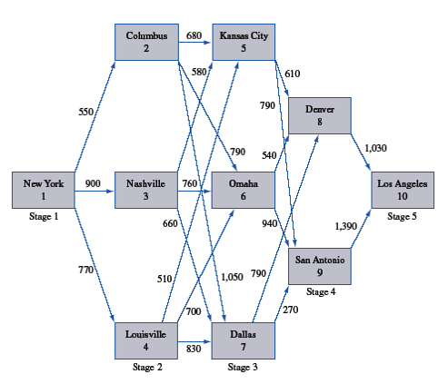

Computing the Shortest Path problem.

 |  | To
 |  | 1 | 2 | 3 | 4 | 5 | 6 | 7 | 8 | 9 | 10
From | 1 | 9999 | 550 | 900 | 770 | 9999 | 9999 | 9999 | 9999 | 9999 | 9999
 | 2 | 9999 | 9999 | 9999 | 9999 | 680 | 790 | 1050 | 9999 | 9999 | 9999
 | 3 | 9999 | 9999 | 9999 | 9999 | 580 | 760 | 660 | 9999 | 9999 | 9999
 | 4 | 9999 | 9999 | 9999 | 9999 | 510 | 700 | 830 | 9999 | 9999 | 9999
 | 5 | 9999 | 9999 | 9999 | 9999 | 9999 | 9999 | 9999 | 610 | 790 | 9999
 | 6 | 9999 | 9999 | 9999 | 9999 | 9999 | 9999 | 9999 | 540 | 940 | 9999
 | 7 | 9999 | 9999 | 9999 | 9999 | 9999 | 9999 | 9999 | 790 | 270 | 9999
 | 8 | 9999 | 9999 | 9999 | 9999 | 9999 | 9999 | 9999 | 9999 | 9999 | 1030
 | 9 | 9999 | 9999 | 9999 | 9999 | 9999 | 9999 | 9999 | 9999 | 9999 | 1390
 | 10 | 9999 | 9999 | 9999 | 9999 | 9999 | 9999 | 9999 | 9999 | 9999 | 9999

 |  | To(In)
 |  | 1 | 2 | 3 | 4 | 5 | 6 | 7 | 8 | 9 | 10 | Out
From(Out) | 1 | 0 | 1 | 0 | 0 | 0 | 0 | 0 | 0 | 0 | 0 | 1
 | 2 | 0 | 0 | 0 | 0 | 1 | 0 | 0 | 0 | 0 | 0 | 1
 | 3 | 0 | 0 | 0 | 0 | 0 | 0 | 0 | 0 | 0 | 0 | 0
 | 4 | 0 | 0 | 0 | 0 | 0 | 0 | 0 | 0 | 0 | 0 | 0
 | 5 | 0 | 0 | 0 | 0 | 0 | 0 | 0 | 1 | 0 | 0 | 1
 | 6 | 0 | 0 | 0 | 0 | 0 | 0 | 0 | 0 | 0 | 0 | 0
 | 7 | 0 | 0 | 0 | 0 | 0 | 0 | 0 | 0 | 0 | 0 | 0
 | 8 | 0 | 0 | 0 | 0 | 0 | 0 | 0 | 0 | 0 | 1 | 1
 | 9 | 0 | 0 | 0 | 0 | 0 | 0 | 0 | 0 | 0 | 0 | 0
 | 10 | 0 | 0 | 0 | 0 | 0 | 0 | 0 | 0 | 0 | 0 | 0
 | In | 0 | 1 | 0 | 0 | 1 | 0 | 0 | 1 | 0 | 1

City | Out - In
1 | 1 | = | 1 |  | min Total Distance |  | = | 2870
2 | 0 | = | 0
3 | 0 | = | 0
4 | 0 | = | 0
5 | 0 | = | 0
6 | 0 | = | 0
7 | 0 | = | 0
8 | 0 | = | 0
9 | 0 | = | 0
10 | -1 | = | -1

